FW25-SS26_ PACK 12
CUSTOMER : |  |  |  |  |  |  |  |  |  |  |  |  |  |  |  |  | ORDER DATE
SAISON | FW 25-SS26 |  |  |  |  |  |  |  |  |  |  |  |  |  |  |  | DELIVERY DATE

FOOTWEAR
ORDER TYPE

 |  |  |  |  |  | PACK 12
 |  |  |  |  |  | 40 | 41 | 42 | 43 | 44 | 45 | 46
 |  |  |  |  | PACK 12 | 1 | 2 | 3 | 3 | 2 | 1
LINE | PICTURE | CODE | DESIGNATION | COLOR | PACK 12 |  |  |  |  |  |  |  | TOTAL PACK | TOTAL PCS | WHL PRICE | RETAIL | DISCOUNT
MENS SNEAKERS STREET | 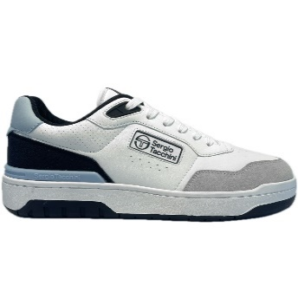 | PP12STM527003-4849 | LIVORNO | 4849 - WHITE/MARITIME BLUE/BALLAD BLUE |  |  |  |  |  |  |  |  | 71 | 852 | 35.00 € | 69.99 €
MENS SNEAKERS STREET | 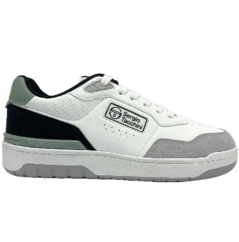 | PP12STM527003-4850 | LIVORNO | 4850-WHITE/GREY/ICEBERG GREEN |  |  |  |  |  |  |  |  | 36 | 432 | 35.00 € | 69.99 €
MENS SNEAKERS STREET | 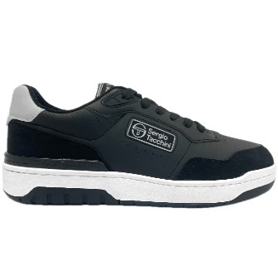 | PP12STM527003-4853 | LIVORNO | 4853-BLACK/BLACK/DAWN BLUE |  |  |  |  |  |  |  |  | 115 | 1380 | 35.00 € | 69.99 €
MENS SNEAKERS STREET | 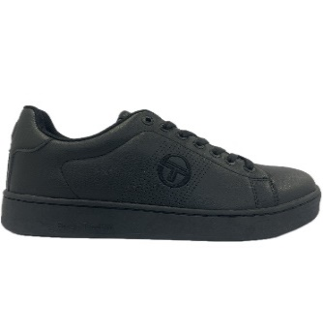 | PP12STM527225-0562 | GRAN TORINO REFRESH | 0562-BLACK/BLACK |  |  |  |  |  |  |  |  | 162 | 1944 | 27.50 € | 54.99 €
MENS SNEAKERS STREET | 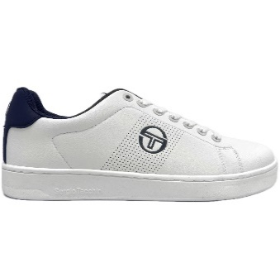 | PP12STM527225-3582 | GRAN TORINO REFRESH | 3582-WHITE/WHITE/NAVY |  |  |  |  |  |  |  |  | 167 | 2004 | 27.50 € | 54.99 €
MENS SNEAKERS STREET | 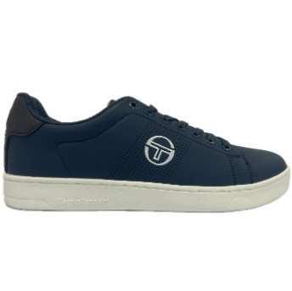 | PP12STM527225-4854 | GRAN TORINO REFRESH | 4854-VINTAGE INDIGO/GARDENIA/NAVY |  |  |  |  |  |  |  |  | 131 | 1572 | 27.50 € | 54.99 €
MENS SNEAKERS STREET | 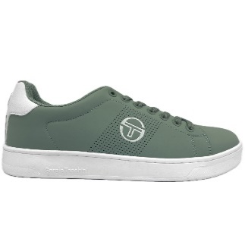 | PP12STM527225-4855 | GRAN TORINO REFRESH | 4855-ICEBERG GREEN/WHITE |  |  |  |  |  |  |  |  | 40 | 480 | 27.50 € | 54.99 €
MENS SNEAKERS STREET | 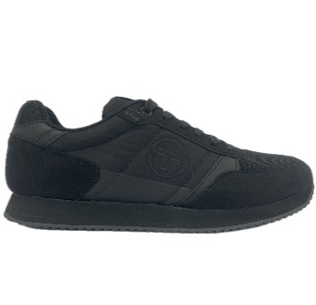 | PP12STM423100-0562 | BERGAMO | 0562-BLACK/BLACK |  |  |  |  |  |  |  |  | 168 | 2016 | 35.00 € | 69.99 €
MENS SNEAKERS STREET | 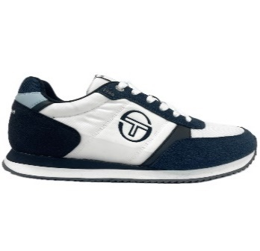 | PP12STM423100-4858 | BERGAMO | 4858-WHITE/WHITE/VINTAGE INDIGO |  |  |  |  |  |  |  |  | 100 | 1200 | 35.00 € | 69.99 €
MENS SNEAKERS STREET | 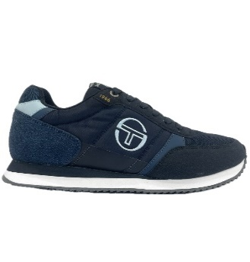 | PP12STM423100-4859 | BERGAMO | 4859-NAVY/WHITE/VINTAGE INDIGO |  |  |  |  |  |  |  |  | 48 | 576 | 35.00 € | 69.99 €
MENS SNEAKERS STREET | 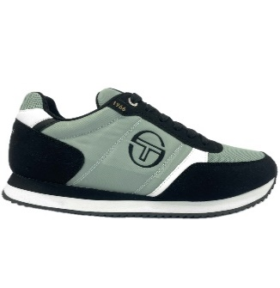 | PP12STM423100-4860 | BERGAMO | 4860-ICEBERG GREEN/WHITE/BLACK |  |  |  |  |  |  |  |  | 48 | 576 | 35.00 € | 69.99 €
MENS SNEAKERS STREET | 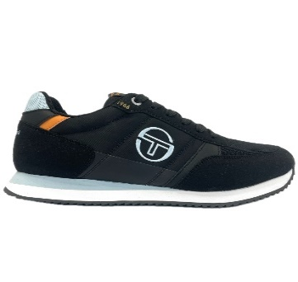 | PP12STM423100-4861 | BERGAMO | 4861-BLACK/WHITE/BALLAD BLUE |  |  |  |  |  |  |  |  | 170 | 2040 | 35.00 € | 69.99 €
MENS SNEAKERS STREET | 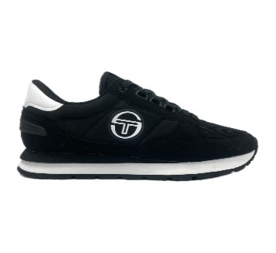 | PP12STM523002-0008 | VENEZIA | 0008-BLACK/WHITE |  |  |  |  |  |  |  |  | 220 | 2640 | 40.00 € | 79.99 €
MENS SNEAKERS STREET | 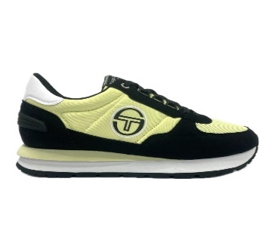 | PP12STM523002-4876 | VENEZIA | 4876-WAX YELLOW/WHITE/BLACK |  |  |  |  |  |  |  |  | 37 | 444 | 40.00 € | 79.99 €
MENS SNEAKERS STREET | 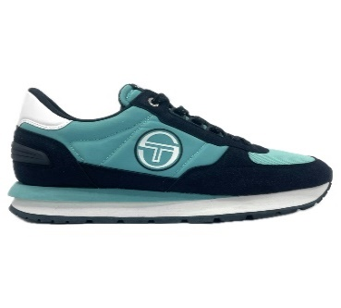 | PP12STM523002-4877 | VENEZIA | 4877-POOL BLUE/WHITE/NAVY |  |  |  |  |  |  |  |  | 49 | 588 | 40.00 € | 79.99 €
MENS SNEAKERS STREET | 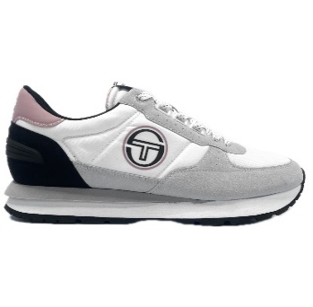 | PP12STM523002-4878 | VENEZIA | 4878-WHITE/WHITE/ROSE ELEGANCE |  |  |  |  |  |  |  |  | 51 | 612 | 40.00 € | 79.99 €
MENS SNEAKERS STREET | 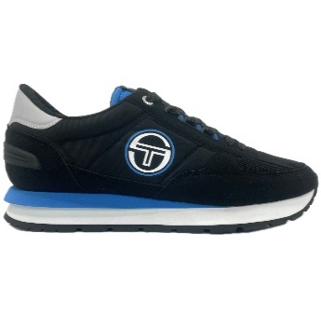 | PP12STM523002-4879 | VENEZIA | 4879-BLACK/WHITE/BRILLIANT BLUE |  |  |  |  |  |  |  |  | 120 | 1440 | 40.00 € | 79.99 €
MENS SNEAKERS STREET | 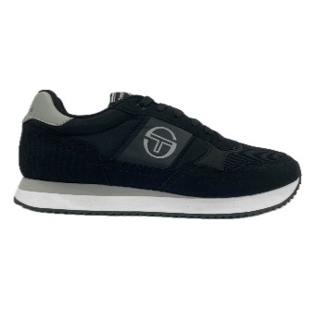 | PP12STM513120-4865 | MONZA | 4865-BLACK/WHITE/ABBEY STONE |  |  |  |  |  |  |  |  | 120 | 1440 | 37.50 € | 74.99 €
MENS SNEAKERS STREET | 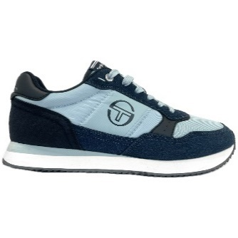 | PP12STM513120-4866 | MONZA | 4866-BALLAD BLUE/WHITE/VINTAGE INDIGO |  |  |  |  |  |  |  |  | 25 | 300 | 37.50 € | 74.99 €
MENS SNEAKERS STREET | 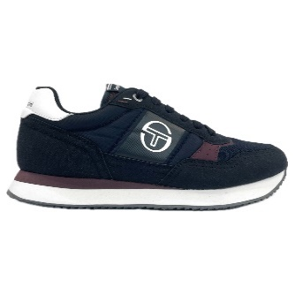 | PP12STM513120-4867 | MONZA | 4867-MARITIME BLUE/WHITE/FIG |  |  |  |  |  |  |  |  | 76 | 912 | 37.50 € | 74.99 €
MENS SNEAKERS STREET | 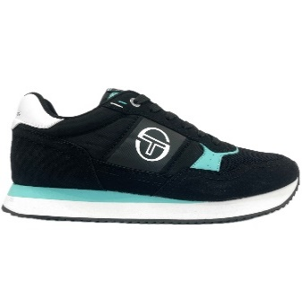 | PP12STM513120-4868 | MONZA | 4868-BLACK/WHITE/POOL BLUE |  |  |  |  |  |  |  |  | 125 | 1500 | 37.50 € | 74.99 €
MENS SNEAKERS STREET | 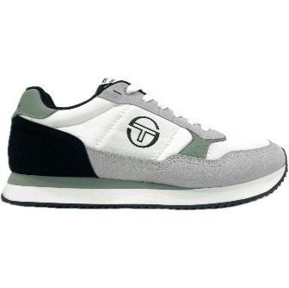 | PP12STM513120-4869 | MONZA | 4869WHITE/WHITE/ICEBERG GREEN |  |  |  |  |  |  |  |  | 101 | 1212 | 37.50 € | 74.99 €

 |  |  |  |  |  |  |  |  |  |  |  |  | 2180 | 26,160

